Sheet1
Row Labels | Sum of quantity
bbq_ckn_l | 992
bbq_ckn_m | 956
Top 10 Pizza Ordered
big_meat_s | 1914
classic_dlx_m | 1181
five_cheese_l | 1409
four_cheese_l | 1316
hawaiian_s | 1020
southw_ckn_l | 1016
spicy_ital_l | 1109
thai_ckn_l | 1410
Grand Total | 12323

Sheet2
Row Labels | Average of price
L | 20.022580645
M | 15.991935484
Average Price by Pizza Size
S | 12.5125
XL | 25.5
XXL | 35.95
Grand Total | 16.440625

Sheet3
Averege Price By Pizza Type
Row Labels | Average of price
The Barbecue Chicken Pizza | 16.75
The Brie Carre Pizza | 23.65
The California Chicken Pizza | 16.75
The Greek Pizza | 21.99
The Italian Vegetables Pizza | 16.833333333
Grand Total | 18.973333333

Sheet4
Most xpensive Pizza
Row Labels | Average of price
The Barbecue Chicken Pizza | 16.75
The California Chicken Pizza | 16.75
The Chicken Alfredo Pizza | 16.75
The Chicken Pesto Pizza | 16.75
The Greek Pizza | 21.99
The Italian Supreme Pizza | 16.583333333
The Italian Vegetables Pizza | 16.833333333
The Pepper Salami Pizza | 16.583333333
The Southwest Chicken Pizza | 16.75
The Thai Chicken Pizza | 16.75
Grand Total | 17.5453125

Dashboard
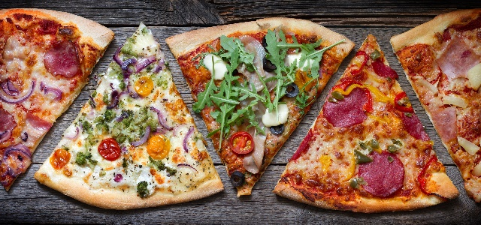
Highest Pizza Ordered
 | Total
bbq_ckn_l | 992
bbq_ckn_m | 956
big_meat_s | 1914
classic_dlx_m | 1181
five_cheese_l | 1409
four_cheese_l | 1316
hawaiian_s | 1020
southw_ckn_l | 1016
spicy_ital_l | 1109
thai_ckn_l | 1410
Averege Price By Pizza Type
 | Total
The Barbecue Chicken Pizza | 16.75
The Brie Carre Pizza | 23.65
The California Chicken Pizza | 16.75
The Greek Pizza | 21.99
The Italian Vegetables Pizza | 16.833333333
PIZZA DASHBOARD

Most xpensive Pizza
 | Total
The Barbecue Chicken Pizza | 16.75
The California Chicken Pizza | 16.75
The Chicken Alfredo Pizza | 16.75
The Chicken Pesto Pizza | 16.75
The Greek Pizza | 21.99
The Italian Supreme Pizza | 16.583333333
The Italian Vegetables Pizza | 16.833333333
The Pepper Salami Pizza | 16.583333333
The Southwest Chicken Pizza | 16.75
The Thai Chicken Pizza | 16.75

Most xpensive Pizza
 | Total
The Barbecue Chicken Pizza | 16.75
The California Chicken Pizza | 16.75
The Chicken Alfredo Pizza | 16.75
The Chicken Pesto Pizza | 16.75
The Greek Pizza | 21.99
The Italian Supreme Pizza | 16.583333333
The Italian Vegetables Pizza | 16.833333333
The Pepper Salami Pizza | 16.583333333
The Southwest Chicken Pizza | 16.75
The Thai Chicken Pizza | 16.75
Average Price by Pizza Size
 | Total
L | 20.022580645
M | 15.991935484
S | 12.5125
XL | 25.5
XXL | 35.95

